D1
EOA Dashboard---Portfolio

Top/Bottom 10 Revenue Buildings
 | Total
HAL001 | 2000
HAL002 | 1990
HAL003 | 1980
HAL004 | 1970
HAL005 | 1960
HAL006 | 1950
HAL007 | 1940
HAL008 | 1930
HAL009 | 1920
HAL010 | 1910
Total RGI Units |  | Total Units |  | Total EOA Revenue |  | Total EOA Expense |  | Total EOA Reserve |  | EOA Net Income
960 |  | 1527 |  | 34470 |  | 16580 |  | 17890 |  | 17890
Building Viability List
Project Address | EOA Year | EOA rating | Current Rating | RGI Units | Market Units | Total Units | Revenue(EOA) | Expense | Reserve | Net Income
HAL001 | 2027 | 1 | 3 | 100 | 23 | 123 | 2000 | 1300 | 700 | 700
HAL002 | 2027 | 2 | 3 | 90 | 24 | 114 | 1990 | 1220 | 770 | 770
HAL003 | 2027 | 2 | 3 | 80 | 25 | 105 | 1980 | 1220 | 760 | 760
HAL004 | 2030 | 1 | 2 | 70 | 26 | 96 | 1970 | 1100 | 870 | 870
HAL005 | 2029 | 1 | 2 | 60 | 27 | 87 | 1960 | 1100 | 860 | 860
Top/Bottom 10 Expense Buildings
 | Total
HAL009 | 800
HAL010 | 800
HAL011 | 800
HAL014 | 800
HAL012 | 800
HAL015 | 800
HAL013 | 800
HAL004 | 1100
HAL006 | 1100
HAL005 | 1100
HAL008 | 1220
HAL003 | 1220
HAL002 | 1220
HAL007 | 1220
HAL001 | 1300
HAL006 | 2028 | 1 | 2 | 50 | 28 | 78 | 1950 | 1100 | 850 | 850
HAL007 | 2027 | 1 | 2 | 40 | 29 | 69 | 1940 | 1220 | 720 | 720
HAL008 | 2028 | 1 | 2 | 30 | 30 | 60 | 1930 | 1220 | 710 | 710
HAL009 | 2027 | 1 | 2 | 50 | 31 | 81 | 1920 | 800 | 1120 | 1120
HAL010 | 2030 | 1 | 2 | 50 | 32 | 82 | 1910 | 800 | 1110 | 1110
HAL011 | 2027 | 1 | 2 | 50 | 33 | 83 | 1900 | 800 | 1100 | 1100
HAL012 | 2024 | 1 | 2 | 50 | 34 | 84 | 1890 | 800 | 1090 | 1090
HAL013 | 2029 | 2 | 2 | 40 | 35 | 75 | 1880 | 800 | 1080 | 1080
HAL014 | 2028 | 2 | 1 | 40 | 36 | 76 | 1870 | 800 | 1070 | 1070
HAL015 | 2025 | 2 | 1 | 40 | 37 | 77 | 1860 | 800 | 1060 | 1060
HAL016 | 2020 | 3 | 1 | 40 | 38 | 78 | 1850 | 500 | 1350 | 1350
Top/Bottom 10 Reserve Buildings
 | Total
HAL016 | 1350
HAL017 | 1340
HAL018 | 1330
HAL009 | 1120
HAL010 | 1110
HAL011 | 1100
HAL012 | 1090
HAL013 | 1080
HAL014 | 1070
HAL015 | 1060
HAL017 | 2030 | 3 | 1 | 40 | 39 | 79 | 1840 | 500 | 1340 | 1340
HAL018 | 2027 | 3 | 1 | 40 | 40 | 80 | 1830 | 500 | 1330 | 1330

D2
EOA Dashboard---Building View

Slicers | Column1 | 2018 | 2019 | 2020 | 2021 | 2022 | 2023 | 2024 | 2025 | 2026 | 2027 | 2028 | Line Chart For Total&Specific Revenue to see the trend of Revenues
Time Range For Decade 2018-2028
 | Rent-Geared-to-Income (RGI) Rent
 | Market Rent

 | Less: Vacancy loss on market units-（others）

 | Investment income (includes interest)-----others
 | Non-Rental Revenue----others
 | Subsidy Revenue
 | Additional funding Revenue
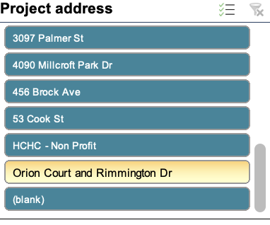
 | Total Revenue
 |  |  |  |  |  |  |  |  |  |  |  |  | Line Chart For Total&Specific Expense to see the trend of Expenses
 | Total Maintenance and Administration
 | Total Utilities
 | Insurance and Bad debts
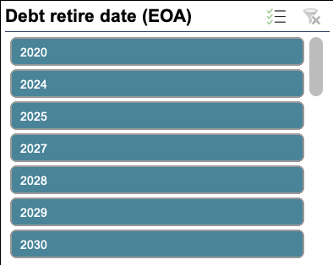
 | Mandatory transfer from operations
 | Property taxes
 | Mortgage principal and interest
 | Additional funding Expense
 | Total Shelter Expenses
 |  |  |  |  |  |  |  |  |  |  |  |  | Line Chart For Total&Specific Net Income to see the trend of Net income

 | CRF BALANCE, BEGINNING OF YEAR

 | Mandatory transfer from operations
 | Investment income
 | Contribution from 50% surplus
 | Additional funding(CRF)
 | Total CRF Revenues
 | Total CRF Expenses
 | CRF BALANCE, END OF YEAR
 |  |  |  |  |  |  |  |  |  |  |  |  | Line Chart For Total&Specific Reserve to see the trend of Reserves

